Sheet1
 |  |  | ISF-QA-068
 | FFT graph inspection Judgement criteria
PART NAME :- M6 & C6 |  | DATE :- | 2014-07-08
MODEL :- ALL MODELS |  | REV. DATE :- | 2016-04-19
OPERATION :- FINAL PART |  | Prep. By | Check By | Appr. By
DISPLAY AREA :- CNC GEAR TESTER MACHINE |  | Rajeev | Gulshan San | Pradeep San
NG PART |  | OK PART
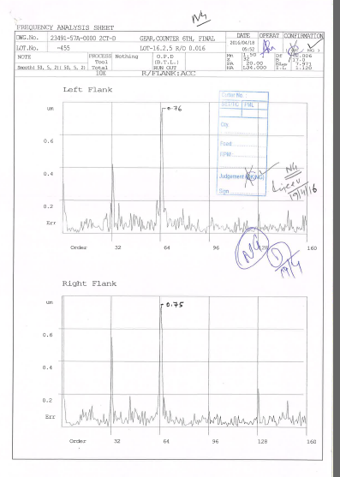
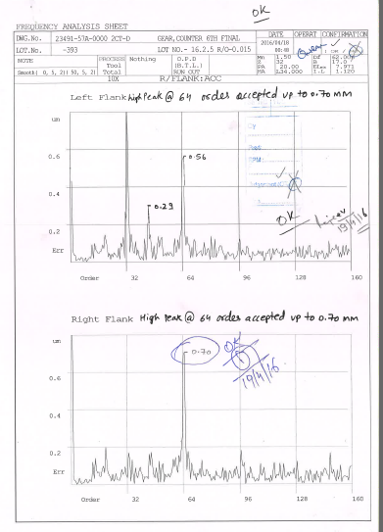

0.76
0.56

0.75
0.70

Revised judgement : - High peak only accepted up to 0.70 mm on 64 order.

